SperminSpermidine
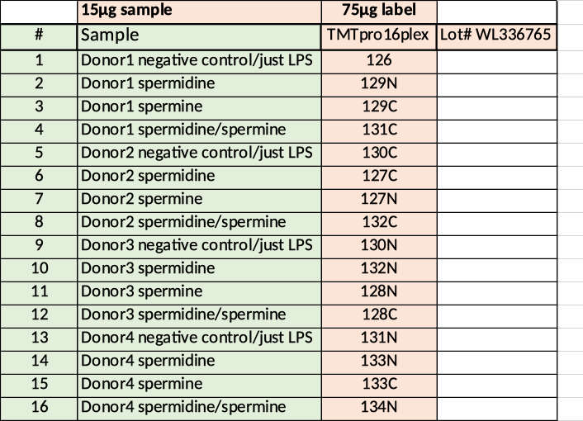
number | donor | Treatment | Cell number (x 10^5) | Viability %
1 | 1 | Control | 1.18 | 86 | 126
2 | 1 | Spermidine | 0.97 | 49 | 129N
3 | 1 | Spermin | 1.1 | 70 | 129C
4 | 1 | Spermidine+Spermin | 0.57 | 23 | 131C
5 | 2 | Control | 1.5 | 58 | 130C
6 | 2 | Spermidine | 1.88 | 59 | 127C
7 | 2 | Spermin | 2.9 | 77 | 127N
8 | 2 | Spermidine+Spermin | 1.7 | 57 | 132C
9 | 3 | Control | 0.84 | 53 | 130N
10 | 3 | Spermidine | 1.69 | 53 | 132N
11 | 3 | Spermin | 1.52 | 73 | 128N
12 | 3 | Spermidine+Spermin | 1.26 | 53 | 128C
13 | 4 | Control | 1.65 | 51 | 131N
14 | 4 | Spermidine | 1.1 | 50 | 133N
15 | 4 | Spermin | 2.1 | 61 | 133C
16 | 4 | Spermidine+Spermin | 1 | 48 | 134N

